Hiearchy View
Class: LEAK DETECTION SYSTEM
used to determine if and in some cases where a leak has occurred in systems which contain liquids and gases. | 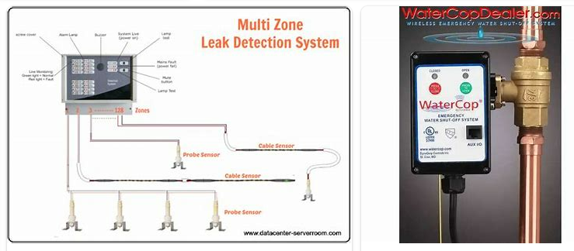
REMOVE | N

PROBLEM_DESC | CAUSE_DESC | REMEDY_DESC
ALARM/SENSOR
BROKEN/DAMAGED
LEAKING
LIGHTING
NOISE
OTHER PROBLEM
OVERHEATING
PESTS
POWER-ELEC
PRESSURE
SMELL
STOPPED/SLOWED/POOR OPS
TEMP-CTRL
VIBRATION
Grand Total

